Bug report 1
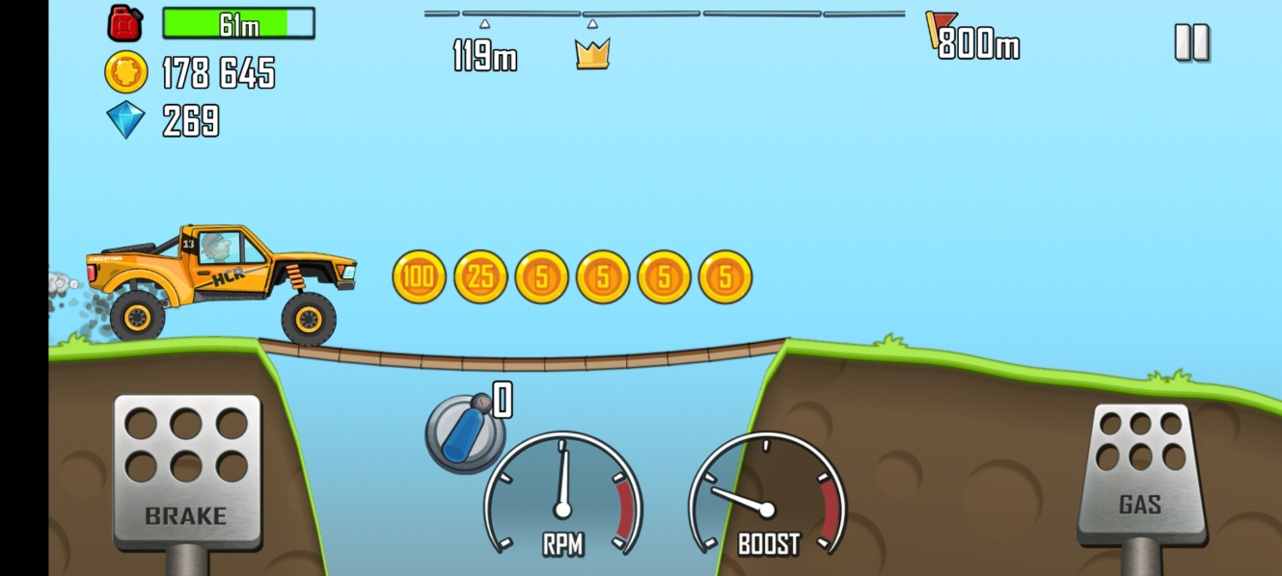
Bug ID | /
Bug Name | Draw dirt' button not working properly
Description | Draw dirt' button is found is Settings menu. Whether turned on or turned off, the amount of dirt stays the same while playing the game.
Steps to reproduce | 1. Open the game 2. Press 'Settings' (wheel) button in top right corner 3. Press 'Draw dirt' button in order to turn it on or turn it off 4. Press 'X' sign in top right corner 5. Press 'Start' button 6. Play the game (Press 'Gas' button)
Expected result | There will be less dirt if the button is turned off
Actual result | The amount of dirt is the same regardless of button being turned on or turned off
Assigned to | Developer or product manager
Repro rate | All the time
Priority | Medium
Severity | Medium
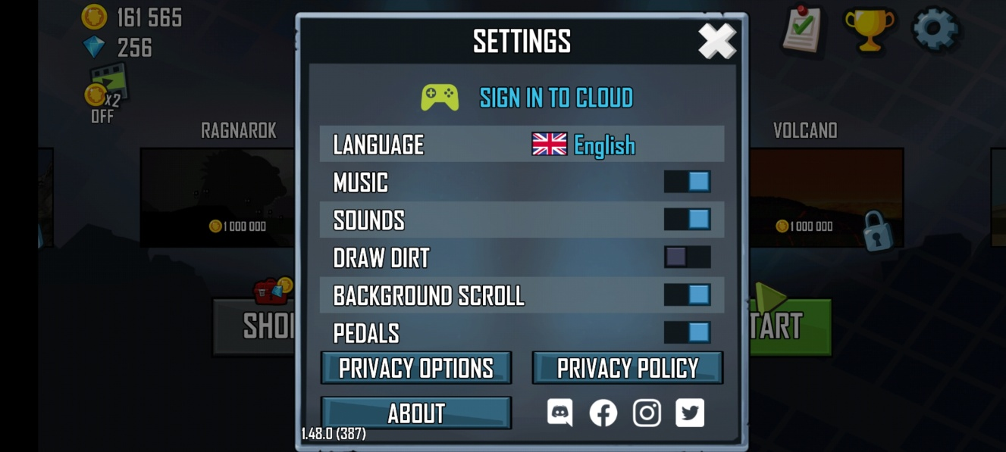
Screenshot

Bug report 2
Bug ID | /
Bug Name | Background scroll' button not working properly
Description | Background scroll' button is found is Settings menu. Whether turned on or turned off, nothing changes in the game.
Steps to reproduce | 1. Open the game 2. Press 'Settings' (wheel) button in top right corner 3. Press 'Background scroll' button in order to turn it on or turn it off 4. Press 'X' sign in top right corner 5. Press 'Start' button 6. Play the game (Press 'Gas' button)
Expected result | Something is going to change.
Actual result | Nothing changes regardless of button being turned on or turned off
Assigned to | Developer or product manager
Repro rate | All the time
Priority | Medium
Severity | Medium
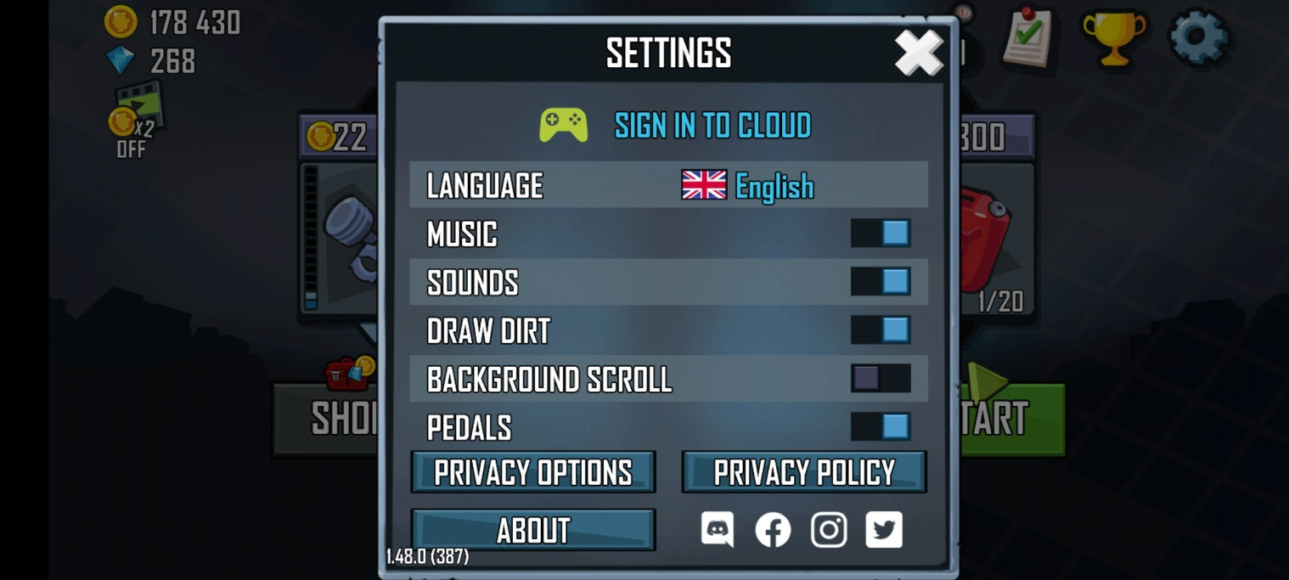
Screenshot

